2
What is the percentage of unique product increase in 2021 vs. 2020? The final output contains these fields: unique_products_2020, unique_products_2021, percentage_chg
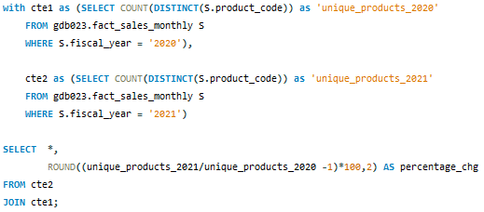

unique_products_2021 | unique_products_2020 | percentage_chg
334 | 245 | 36.33%

Unique product count
percentage_chg from 2021 vs 2020

3
Provide a report with all the unique product counts for each segment and sort them in descending order of product counts. The final output contains 2 fields: segment product_count
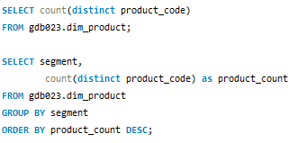

segment | product_count
Notebook | 129
Accessories | 116
Peripherals | 84
Desktop | 32
Storage | 27
Networking | 9
unique product count by segment

4
Follow-up: Which segment had the most increase in unique products in 2021 vs 2020? The final output contains these fields, segment product_count_2020 product_count_2021 difference
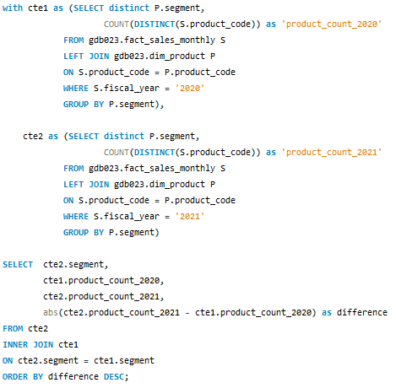
 | segment | product_count_2020 | product_count_2021 | difference
 | Accessories | 69 | 103 | 34
 | Notebook | 92 | 108 | 16
 | Peripherals | 59 | 75 | 16
 | Desktop | 7 | 22 | 15
 | Storage | 12 | 17 | 5
 | Networking | 6 | 9 | 3

Product count comparison (2020 vs 2021) by segment

5
Get the products that have the highest and lowest manufacturing costs. The final output should contain these fields: product_code product manufacturing_cost
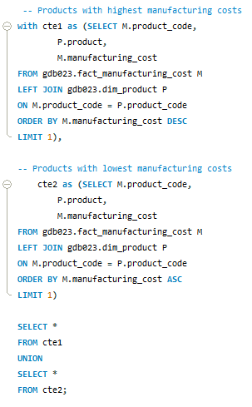

product_code | product | manufacturing_cost
A6120110206 | AQ HOME Allin1 Gen 2 | 240.54
A2118150101 | AQ Master wired x1 Ms | 0.89

Lowest vs Highest manufacturing_cost

6
Generate a report which contains the top 5 customers who received an average high pre_invoice_discount_pct for the fiscal year 2021 and in the Indian market. The final output contains these fields, customer_code customer average_discount_percentage
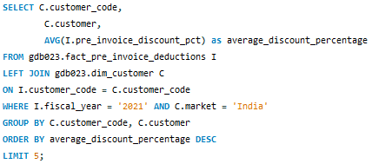

Top 5 average_discount_percentage (fiscal year 2021 - Indian market)

customer_code | customer | average_discount_percentage
90002009 | Flipkart | 30.83%
90002006 | Viveks | 30.38%
90002003 | Ezone | 30.28%
90002002 | Croma | 30.25%
90002016 | Amazon | 29.33%

7
Get the complete report of the Gross sales amount for the customer “Atliq Exclusive” for each month . This analysis helps to get an idea of low and high-performing months and take strategic decisions. The final report contains these columns: Month Year Gross sales Amount

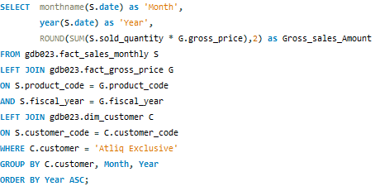
Month | Year | Gross_sales_Amount | YYYYMM | Gross_sales_Amount
September | 2019 | 4,496,259.67 | Sep-19 | 4,496,259.67
October | 2019 | 5,135,902.35 | Oct-19 | 5,135,902.35
November | 2019 | 7,522,892.56 | Nov-19 | 7,522,892.56
December | 2019 | 4,830,404.73 | Dec-19 | 4,830,404.73
January | 2020 | 4,740,600.16 | Jan-20 | 4,740,600.16
February | 2020 | 3,996,227.77 | Feb-20 | 3,996,227.77
March | 2020 | 378,770.97 | Mar-20 | 378,770.97
April | 2020 | 395,035.35 | Apr-20 | 395,035.35
May | 2020 | 783,813.42 | May-20 | 783,813.42
June | 2020 | 1,695,216.60 | Jun-20 | 1,695,216.60
July | 2020 | 2,551,159.16 | Jul-20 | 2,551,159.16
August | 2020 | 2,786,648.26 | Aug-20 | 2,786,648.26
September | 2020 | 12,353,509.79 | Sep-20 | 12,353,509.79
October | 2020 | 13,218,636.20 | Oct-20 | 13,218,636.20
November | 2020 | 20,464,999.10 | Nov-20 | 20,464,999.10
December | 2020 | 12,944,659.65 | Dec-20 | 12,944,659.65
January | 2021 | 12,399,392.98 | Jan-21 | 12,399,392.98
February | 2021 | 10,129,735.57 | Feb-21 | 10,129,735.57
March | 2021 | 12,144,061.25 | Mar-21 | 12,144,061.25
April | 2021 | 7,311,999.95 | Apr-21 | 7,311,999.95
May | 2021 | 12,150,225.01 | May-21 | 12,150,225.01
June | 2021 | 9,824,521.01 | Jun-21 | 9,824,521.01
July | 2021 | 12,092,346.32 | Jul-21 | 12,092,346.32
August | 2021 | 7,178,707.59 | Aug-21 | 7,178,707.59

8
In which quarter of 2020, got the maximum total_sold_quantity? The final output contains these fields: sorted by the total_sold_quantity, Quarter total_sold_quantity
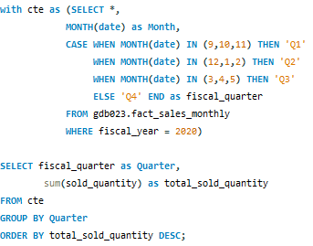
 | Quarter | total_sold_quantity
 | Q1 | 7005619
 | Q2 | 6649642
 | Q4 | 5042541
 | Q3 | 2075087

9
Which channel helped to bring more gross sales in the fiscal year 2021 and the percentage of contribution? The final output contains these fields: channel gross_sales_mln percentage

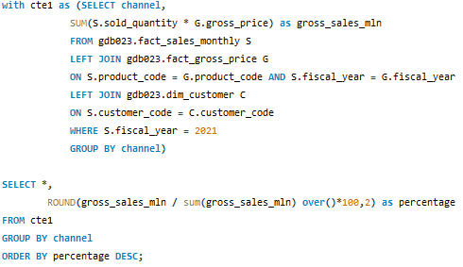
 | channel | gross_sales_mln | percentage
 | Retailer | 1,219,081,639.95 | 73.23%
 | Direct | 257,532,002.65 | 15.47%
 | Distributor | 188,025,630.93 | 11.30%

percentage of gross sales by channel

10
Get the Top 3 products in each division that have a high total_sold_quantity in the fiscal_year 2021? The final output contains these fields: division, product_code, product, total_sold_quantity rank_order
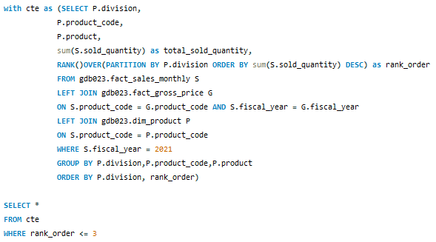
Top 3 total_sold_quantity in fiscal year 2021 by division

division | product_code | product | total_sold_quantity | rank_order | Division, product | total_sold_quantity
N & S | A6720160103 | AQ Pen Drive 2 IN 1 | 701373 | 1 | N & S, AQ Pen Drive 2 IN 1 | 701373
N & S | A6818160202 | AQ Pen Drive DRC | 688003 | 2 | N & S, AQ Pen Drive DRC | 688003
N & S | A6819160203 | AQ Pen Drive DRC | 676245 | 3 | N & S, AQ Pen Drive DRC | 676245
P & A | A2319150302 | AQ Gamers Ms | 428498 | 1 | P & A, AQ Gamers Ms | 428498
P & A | A2520150501 | AQ Maxima Ms | 419865 | 2 | P & A, AQ Maxima Ms | 419865
P & A | A2520150504 | AQ Maxima Ms | 419471 | 3 | P & A, AQ Maxima Ms | 419471
PC | A4218110202 | AQ Digit | 17434 | 1 | PC, AQ Digit | 17434
PC | A4319110306 | AQ Velocity | 17280 | 2 | PC, AQ Velocity | 17280
PC | A4218110208 | AQ Digit | 17275 | 3 | PC, AQ Digit | 17275

